Sheet1



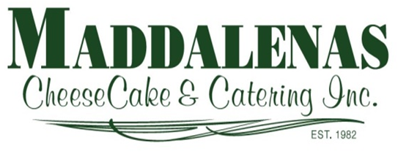 www.maddalenascatering.com
415 Rt 31 N Ringoes, N J 08551 609-466-7510
Name
Address
Phone |  | Saturday 5/9/2020
Email |  |  | TIME click circle | Select
Qty | Mother's Day a la carte Menu | Size | Cost | Total
 | Tossed Garden Salad & House Dressing | For 2 | $4.95 | $-
 | Jumbo Shrimp Cocktail | 1-Doz | $21.95 | $-
 | Herb Crusted Salmon with a Side of Rice Pilaf | 1 Lb | $22.95 | $-
 |  | 2 Lb | $43.75 | $-
 | Chicken Marsala with a Side of Rice Pilaf | 1 Lb | $9.95 | $-
 |  | 2 Lb | $18.90 | $-
 | Cheese Tortellini with Spinach Tomato Alfredo | 2 Lb | $14.00 | $-
 | Fresh Dinner Rolls | 6 per bag | $6.50 | $-
 | Vegetable Quiche | 8"/serves 4 | $8.50 | $-
 | Quiche Lorraine Spinach with Bacon | 8"/serves 4 | $8.50 | $-
 | Creamy Mashed Potatoes 2 Size Options: | 1 Lb | $6.50 | $-
 |  | 2 Lb | $13.00 | $-
 | GRAVY | 1 Pint | $3.95 | $-
 | Parsley Carrots with Butter 2 Size Options: | 1 Lb | $6.95 | $-
 |  | 2 Lb | $13.90 | $-
 | Fresh Broccoli and CheeseSauce 2 Size Options: | 1 Lb | $7.95 | $-
 |  | 2 Lb | $15.90 | $-
 | 10" Apple Crumb Pie | 1 | $23.00 | $-
 | Homemade Chocolate Chip Cookies | 12/PK | $8.00 | $-
 | Homemade Oatmeal Raisin Cookies | 12/PK | $8.00 | $-
 | Homemade Peanut Butter Cookies | 12/PK | $8.00 | $-
 | Traditional Ricotta & Chocolate Chip Cannoli | 3 PK | $5.00 | $-
 | Key Lime CheeseCake | 2 Lb | $20.00 | $-
 | Toasted Coconut Pineapple CheeseCake | 2 Lb | $15.00 | $-
 | Plain Vanilla CheeseCake | 2 Lb | $18.00 | $-
 | Fruit Topped CheeseCake | 2 Lb | $30.00 | $-
 |  |  | Sub Total | $-
 | Order Deadline 05-06-2020…….. |  | 6.625% N J Sales Tax | $-
 |  |  | Total | $-

